core cutting
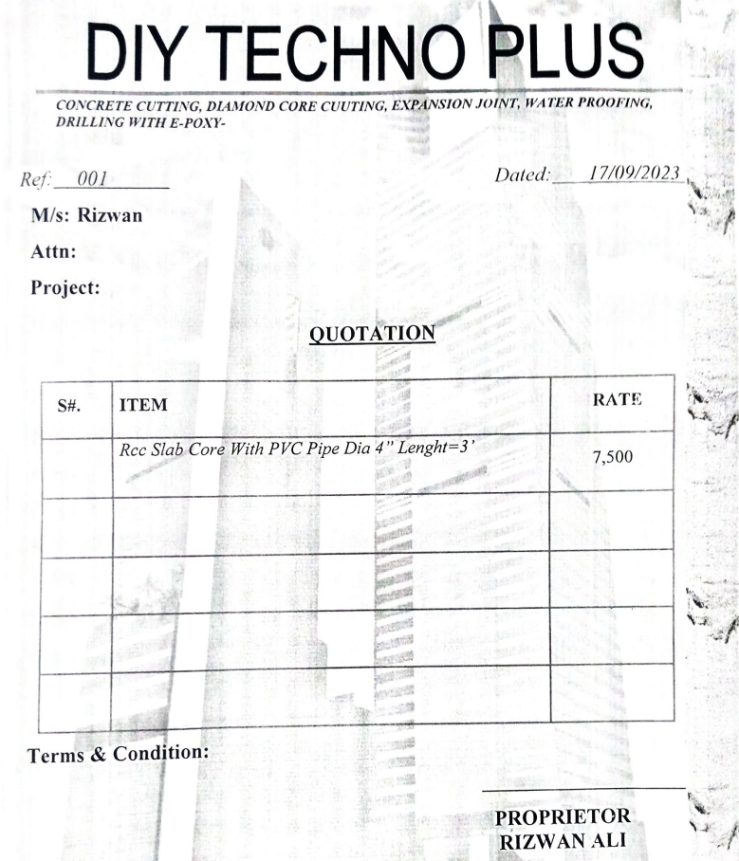
Dated: | 25-Oct-23
Project: | Construction of Standard Chartered bank at I.I Chundrigar Road karachi.
Variation No 4

Rate Analysis for Core Cutting
S. # | Description | Unit | Quantity |  |  | Rate | Amount | Gross
 |  |  | Actual | Waste | Total
A MATERIAL.
1 | Core Cutting dia of 4'' length=3' | Nos | 14.00 |  | 14.00 | 7,500 | 105,000
 |  |  |  |  |  |  | -
 |  |  |  |  |  |  | -
 | Total. |  |  |  |  |  | 105,000 | 105,000
B LABOUR.
S. # | Description | Unit | Quantity |  |  | Rate | Amount | Gross
 |  |  | Actual | Waste | Total
1 | Core Cutting Removel of debris and cleaning . | Nos | 14.00 |  | 14.00 | 150 | 2,100
 |  |  |  |  |  |  | -

 | Total. |  |  |  |  |  | 2,100 | 107,100
C OTHER
S. # | Description | Unit | Quantity |  |  | Rate | Amount | Gross
 |  |  | Actual | Waste | Total

 | Total. |  |  |  |  |  |  | 107,100
 | Total Rs. |  |  |  |  |  |  | 107,100
Sub-Contractor Margin: |  |  | 25% |  |  |  |  | 26,775
Total Price |  |  |  |  |  |  |  | 133,875

